Barcode
Type | Value | barcode | Action | Task
code128 | H3304 |  | Scan CTN No | RECEIVING
code128 | H3305
code128 | H3306
code128 | H3307
code128 | H3308
code128 | H3309
code128 | H3310
code128 | H3311
code128 | H3312
code128 | H3313
qrcode | Dock-A1 | 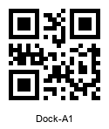 | Scan Dock Zone

code128 | H3313 |  | Scan CTN No | PUT AWAY
qrcode | BOX-HK1-26061100004 | 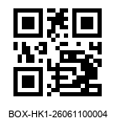 | Scan Box label
pdf417 | RK73B2BRTTD623J;30000; |  | Scan Item Code
pdf417 | RK73B2BRTTD623J;20000; |  | Scan Item Code
qrcode | HK1-HKS-AO-01-L1 | 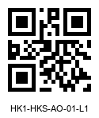 | Scan Shelf Code
code128 | H3309 |  | Scan CTN No
qrcode | BOX-HK1-26061100005 | 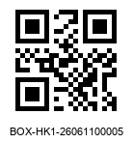 | Scan Box label
pdf417 | RK73H1JTTD3301F;5000; |  | Scan Item
qrcode | HK1-HKS-AO-01-L2 | 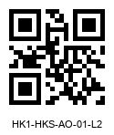 | Scan Shelf Code

qrcode | PICK-A1 | 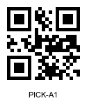 | Scan PICK Zone | PICKING
qrcode | BOX-HK1-26061100001 | 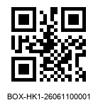 | Scan Box label
pdf417 | RK73B2BRTTD623J;10000; |  | Scan Item | AO-01-L1 | BOX-HK1-26061100004
pdf417 | RK73H1ETTP2002F;10000; |  | Scan Item
qrcode | BOX-HK1-26061100002 | 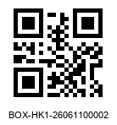 | Scan Box label
pdf417 | RK73B2BRTTD623J;10000; |  | Scan Item | AO-01-L1 | BOX-HK1-26061100004
pdf417 | RK73H1JTTD3301F;5000; |  | Scan Item | AO-01-L2 | BOX-HK1-26061100005
pdf417 | RK73B2BTTD101J;10000; |  | Scan Item | H3312
pdf417 | RK73B2BTTD121J;5000; |  | Scan Item | H3312

qrcode | HK1-HKK-A-01-L1 | 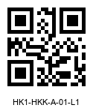 | Scan KIT Zone | MEAUREMENT
 |  |  |  | INSPECTION
 |  |  | MOVEMENT

